Sheet1
2008 Toyota Rav4 Sport 2.4
OTHERS/TECHNICAL SERVICE BULLETINS
our Vehicle: 2008 Toyota Truck RAV4 2WD L4-2.4L (2AZ-FE)

 | Vehicle » Maintenance » Fluids » Fluid - A/T » Technical Service Bulletins » A/T - World Standard Automatic Transmission Fluid

 | A/T - World Standard Automatic Transmission Fluid

T-SB-0006-11
Rev1
6-Jan-11
World Standard Automatic Transmission Fluid
Service Category
Drivetrain
Section
Automatic Transmission/Transaxle
Market
USA
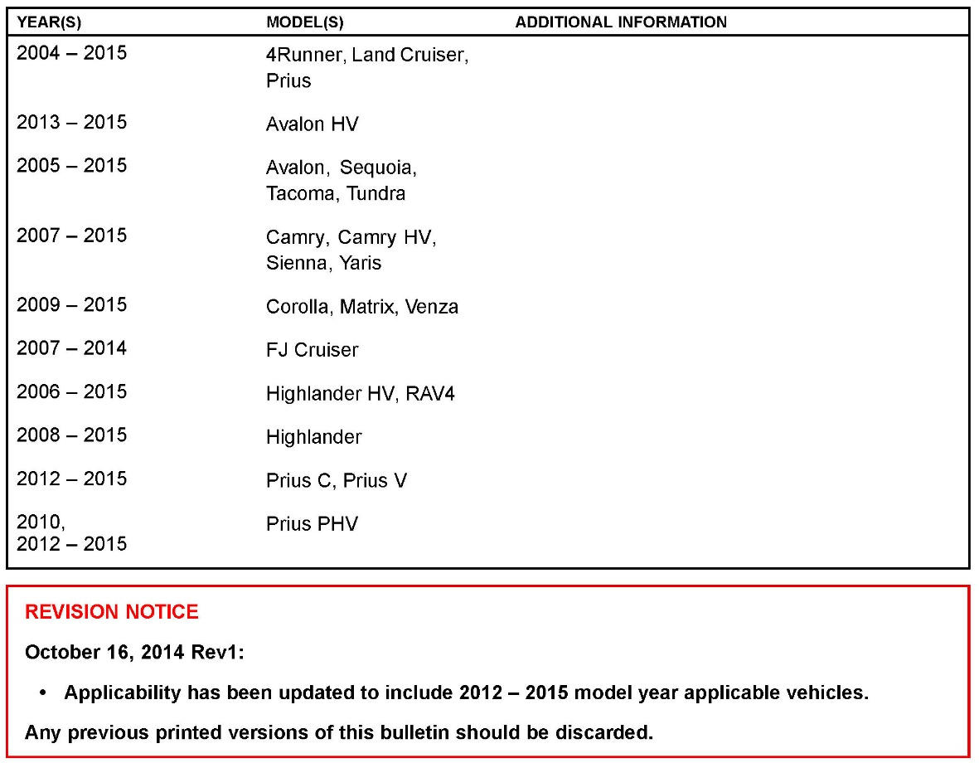

Applicability
Introduction
World Standard (WS) Automatic Transmission Fluid (ATF) was introduced to reduce maintenance costs and increase the mileage between scheduled maintenance checks. Here are some important tips when working with ATF-WS in Toyota vehicles requiring its use.

Warranty Information

Required Tools & Equipment
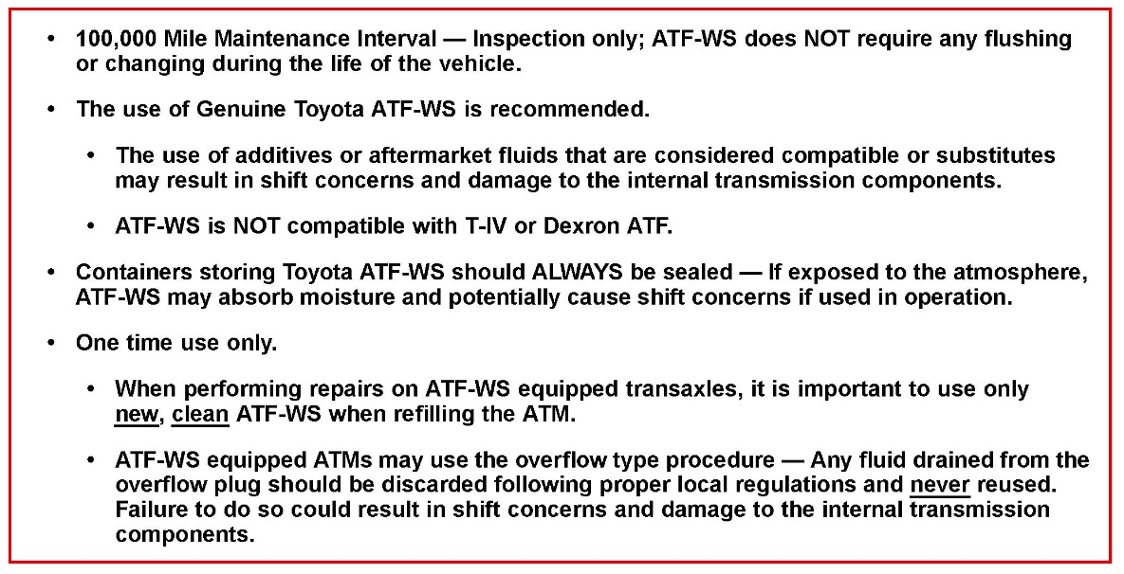

Important Information
©2014 Toyota Motor Sales, USA

